Identify Flowcharting Symbols
The following symbols are commonly used in program flowcharts to visually represent processes and decision points. Please identify these symbols and provide a brief description of their purpose in flowcharting. (5 Points)

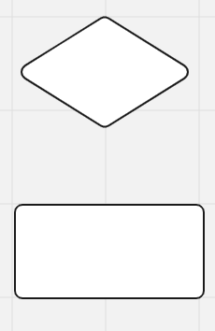
 | Symbol Name | Subroutine | Symbol Name | Decision
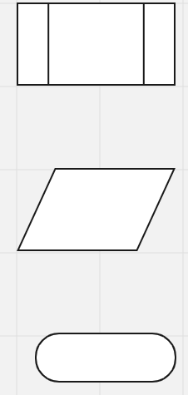
 | Perform a specified task within a larger task |  | Requires a yes/no point

 | Symbol Name | Input | Symbol Name | Alternate Process

 | Used to represent data entery |  | Steps that deviate from the main process

 | Symbol Name | Terminal

 | Start and end of a flowchart

SDLC - Interactive
1The Software Development Life Cycle (SDLC) is a structured process utilized for designing, developing, and testing high-quality software. It is a methodology that outlines the comprehensive process of software development in a systematic manner. For this assignment enter the name of the SDLC step in the blue boxes by double clicking on the terminal shape
Software Development Life Cycle (SDLC)
Requirement Gathering and Analysis
System Design

Maintenance

Implementation

2 Name two interactive programming languages.

Deployment
1 | Python

Testing
2 | JavaScript

